1. Title Page
[Grocery Basket Analysis]

Project Name: Grocery Basket Analysis
Date: May 2023
Analyst Name: Thea Layton

Contents:
Population Flow
Consistency checks
Wrangling steps
Column derivations
Visualizations
Recommendations

Data Citation
“The Instacart Online Grocery Shopping Dataset 2017”, Accessed from www.instacart.com/datasets/grocery-shopping-2017 via Kaggle on May 2023
Note: The customer data along with the 'prices' column were both fabricated for the purpose of this course and project.

2. Population Flow
Title page

Population flow

Exclusion flag
Condition: max_order < 5
Obervations to be removed: 1,440,295
Final total count of order_products_all: 30,964,564

Orders_products_combined
Orders_products_merged
Orders_products_all

Total: 32,404,859
Total: 32,434,489
Total: 32,404,859

1.) The grey boxes in the first row of the population flow represent the original data sets as they were when downloaded. In the Total fields is the count of the rows when imported into Jupyter.
2.) The second row of boxes (coloured) represents the data sets after manipulated, e.g., removed missing values and duplicates. In the Total fields is the count of the rows after conducting these operations. This offers a visual oveview of how the data flows throughout the data consistency checks.
3.) The third row, where also the arrows are coloured, represents the merges you performed between the datasets. In the Total fields you need to add the count of the rows in the merged datasets, so that you end up with the final dataset (in the red box). Keep in mind the final dataset should be without exclusions (based on the exclusion flag).

3. Consistency checks
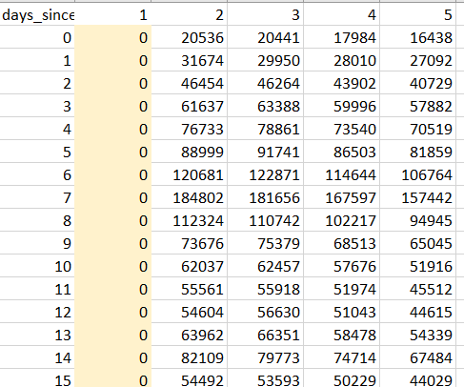
 |  |  |  | Title page
Consistency checks

Dataset | Missing values | Missing values treatment | Duplicates
orders | 206209 missing values in 'days_since_prior_order' | Created two subset dataframes one for new customers and one for repeat customers to filter appropriately. | No duplicates found
products | 16 missing values found in 'product_name' | Created subset of missing values and then a new dataframe that excluded said missing values. | 5 duplicates found, they were dropped.
orders_producst_prior | n/a | n/a | n/a
Customer | n/a | n/a | n/a

* Note: in the ords_prods_agged dataframe, there were 5,127 items found with prices over $100 (specifically $14900 and $99999. These valuse were replaced with NaN for the sake of further analysis.

* Note: In the orders dataframe, there were 206209 missing data values found in the days_since_prior_order. First instinct is that these are indicating the first order of a new customer as there would not be any orders prior to that. Meaning this data would not want to be change to a different value or dropped. Upon further analysis, this hypothesis was proofed out to be true and hense the NaN data was left.

4. Wrangling steps
 |  |  |  | Title page
Wrangling steps

Columns dropped | Columns renamed | Columns' type changed | Comment/Reason
in orders 'eval_set' |  |  | Not needed for further analysis.
 | In orders 'order_dow' to 'orders_day_of_week' |  | For clarity on what dow meant.
 | In orders 'user_id' to 'customer_id' |  | Customer seemed more personable than user.
 |  | In orders 'order_id' to string | This variable contains string values, not integers.
 |  | In orders 'customer_id' to sting | This variable contains string values, not integers.
 | In customers 'user_id' to 'customer_id' |  | To match the other dataframe.
 | In customer 'surname' to 'Last_Name' |  | For clarity.
 | In customers 'First Name' to First_Name' |  | For consistency in headings
 | In customer 'STATE' to 'State' |  | For consistency in headings
"First_Name' in IC_all |  |  | Security risk due to PPI data
'Last_Name' in IC_all |  |  | Security risk due to PPI data

Security Concerns
In this data set there is PII information such as individual's names. Those columns were dropped

5. Column derivations
 |  |  |  |  | Title page

Column derivations and aggregations

This tab has tables below that the frequences of flags/label variables that were produced after deriving them.
Dataset | New column | Column/s it was derived from | Conditions | Frequency
ords_prods_merged & IC_all | price_range_loc | Prices | prices > 15 : High-range product prices <= 15 & prices > 5 : Mid-range product prices < 5 : Low-range product | High-range : 643582 Mid-range : 21860860 Low-range : 9900417
 | busiest_day | Order_day_of_week | value == 0 : Busiest day value == 4 : Least busy else : Regularly busy | Busiest day : 6204182 Regularly busy : 22416875 Least busy : 3783802
 | busiest_days | Order_day_of_week | value == 0 & 1 : Busiest day value == 4 & 3 : Least busy else : Regularly busy | Busiest day : 11864412 Regularly busy : 12916111 Least busy : 7624336
 | busiest_period_of_day | Order_hour_of_day | value in [10 - 16] : Most orders value in [0 - 6 ] : Fewest orders else : Average orders | Most orders : 23205725 Average orders : 7909997 Fewest orders : 1289137
ords_prods_derived & IC_all | max_order | customer_id and max order_number |  | min: 1 max:99
 | loyalty_flag | max_order | max_order > 40 : Loyal customer max_order <= 40 & max_order > 10 : Regular customer max_order < 10 : New customer | Regular: 15876776 Loyal: 10284093 New: 6243990
 | spending_flag | avg_spending | avg_price > 10 : High spender avg_price < 10 : Low spender | High spender : 634245 Low Spender : 31770614
 | frequency_flag | med_DSPO | median_days < 10 : Frequent customer median_days > 10 & median_days <= 20 : Regular customer median_days > 20 : Non-frequent customer | Frequent customer : 22796659 Regular customers : 6921472 Non-frequent customers : 2686728
IC_all_sec | Activity_flag | max_order | max_order < 5 : Low activity max_order >= 5 : High Activity | Low-activity customer : 1440295 High-activity customer : 30964564
 | region | state | US sensus | South : 10791885 West : 8292913 Midwest : 7597325 Northeast : 5722736
 | age_profile | age | age <= 40 : Young age > 40 & age < 65 : Middle-aged age >= 65 : Senior | middle-aged: 12665583 Young: 11164192 Senior: 8575084
 | income_profile | income | income <= 75000 : Low income income >= 75000 & income < 125000 : Mid income income >= 125000 : High income | Middle-income: 17170138 High- income: 7713528 Low-income: 7521193
 | pet_profile | department_id and customer_id | No_pet = No orders from department 8 Else: Has_pet | No pet: 28876718 Has pet: 3528141
 | diet_profile | department_id and customer_id | Vegetarian = no orders from department 12, Vegan = 'no orders from departhemts 12 and 16', else: meat-consumers | meat-consumer:23762619 Vegetarian: 8258813 Vegan: 383427
 | dependants | n_dependants | number_dependants = 0 : No dependants number_dependants >= 1 : Has dependants | Has dependants: 24307356 No dependants: 8097503

6. Visualizations
 | Title page

Visualizations

This tab includes all the visualtions from Exercises 4.9 and 4.10, alongside the questions from the project brief that they answer. Includes any commentary on the relationship between different variables.

Key Questions:
1. What are the busiest days of the week and the busiest hours of the day?

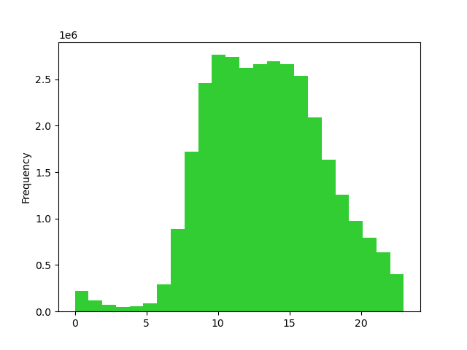
Orders by Day of Week
0=Saturday
1=Sunday
2=Monday
3=Tuesday
4=Wednesday
5=Thursday
6=Friday
We can see that Saturday and Sunday are the most popular and Wednesday is the least.
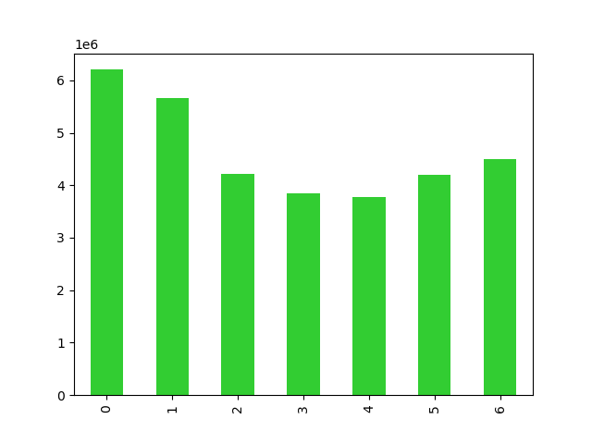
Order Counts throughout 24 hrs

The early hours of the morning (from midnight till about 6am) are the slowest and the middle of the day from 10am to about 4pm are the busiest.

2. Are there particular times of the day when people spend the most money?

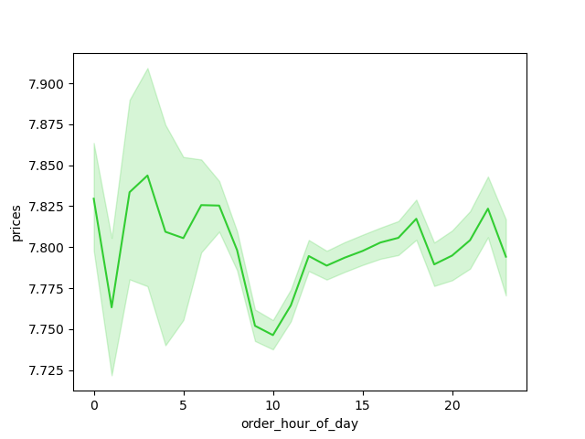
Spending within 24hrs

The most amount of money spent in the early morning from 3am to 6am and again at 11pm.
It is the slowest from 9am to 11am.

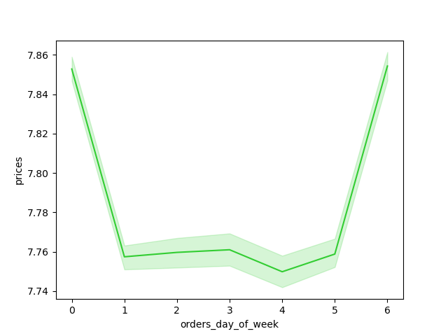
Spending on days fo the week

The weekends have the highest amounts spent.

3. Marketing and sales want to use simpler price ranges.
Price Labels and Frequency
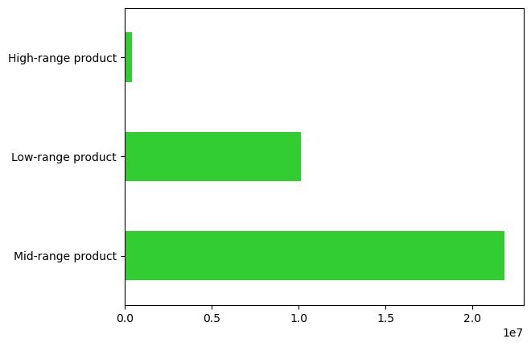

There are the most mid-range products.
The ranges can be seen in the column derivation tab.

4. Are there certain types of products that are more popular than others? Which departments have the highest frequency of product orders?

Frequency of Orders by Department

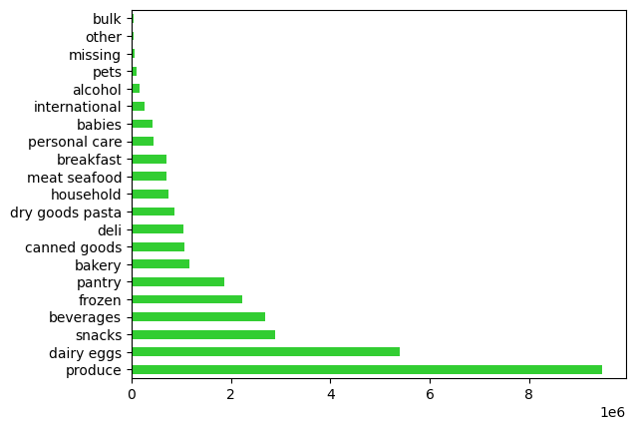
It shows that produce is the most popular department, followed by dairy/eggs, and snacks. It also shows that bulk is the least popular department.

Shopping patterns by Age Groupings and Departments
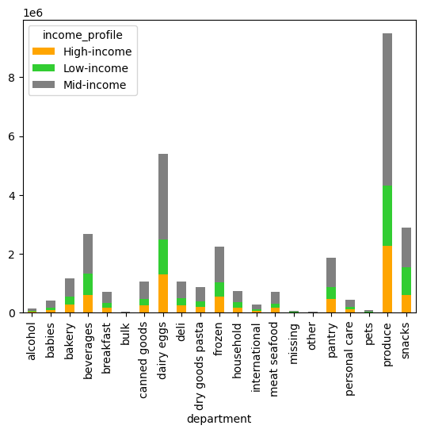
Popular departmetns by Income of Shopper
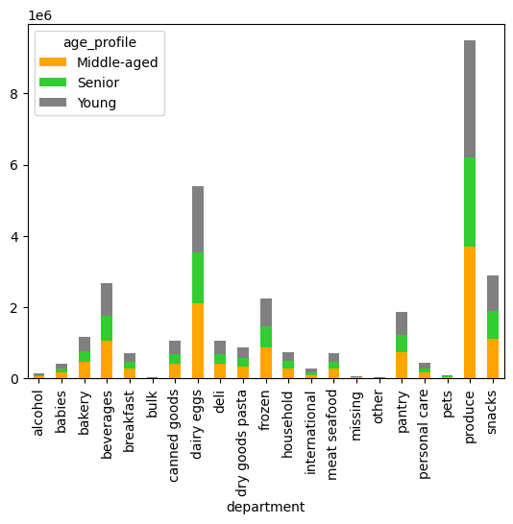

Looking at the popular departments broken out by ages, we can see that produce is the most popular among the young, middle, and senior age groups.
Looking at the popular departments broken out by age departments, we can see that produce is the most popular among the low, mid, and high age groups.

5a. What’s the distribution among users in terms of brand loyalty ( frequency in visits)?

Frequency of shoppers by Loyalty Status

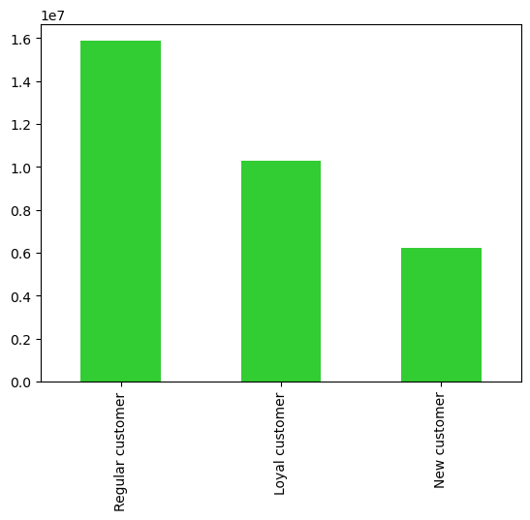

The chart shows different customer groups and the distribution of ordering amongst them.
Groups being new, regular, and loyal customers based on the frequency of their ordering.
There are the most regular customers.

5b. Are there differences in ordering habits based on a customer’s loyalty status?
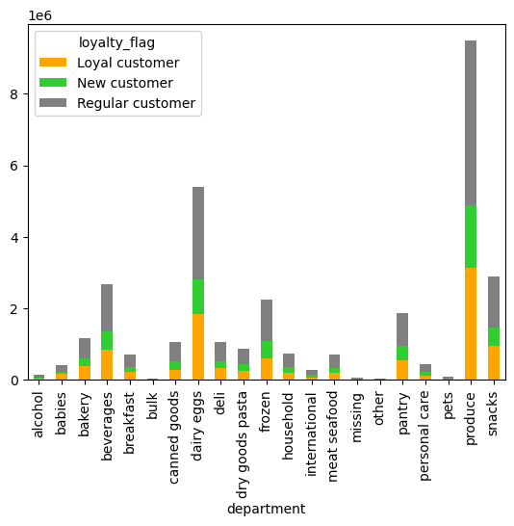
Departments and Loyalty Status
Product Price Range and Loyalty Status
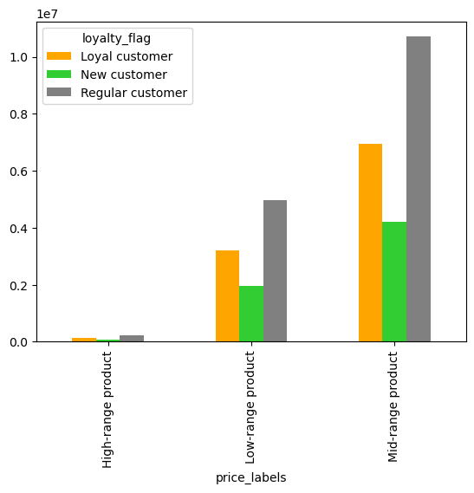
Region and Loyalty Status
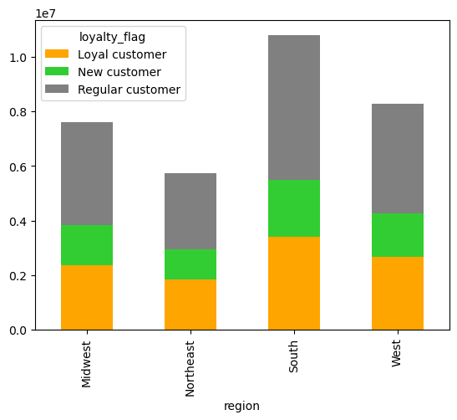

From this chart we can see that loyal customers tend to shop in the produce, and the dairy/egg department, along with new and regular customers. It also appears that regular customers shop in the snack, frozen, pantry and beverage departments more than loyal customers
We can see that the mid-range products have the most amount of orders from all new, regular, and loyal customers.
We can see that we have the most amount of new, loyal, and regular customers in the southern region.

5c. Are there differences in ordering habits based on a customer’s region?
Spending Habits by Region and Department
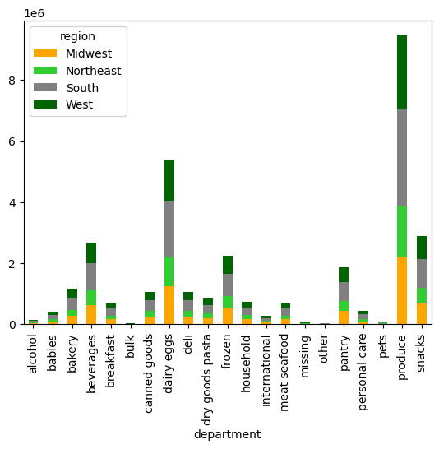
Spending Habits by Region
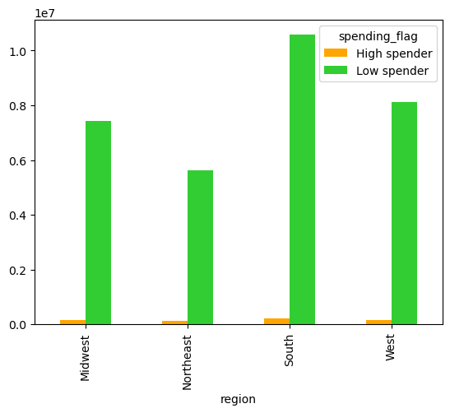

Customers were flag as either high or low spenders based upon ordering history.
As we can see the south has the highest amount of total spending and the Northeast has the lowest amount of total spending.
Amongst the high spenders, there is little change per region. However, with low spenders, there is more volatility.
Within all regions, produce is still the most popular department followed by dairy/eggs.
The southern regions also order more snacks and beverages compared to the other regions.
The also bulk, pets, and alcohol are some of the lowest departments across all regions.

5d. Is there a connection between age and family status in terms of ordering habits?
Customer Age Count
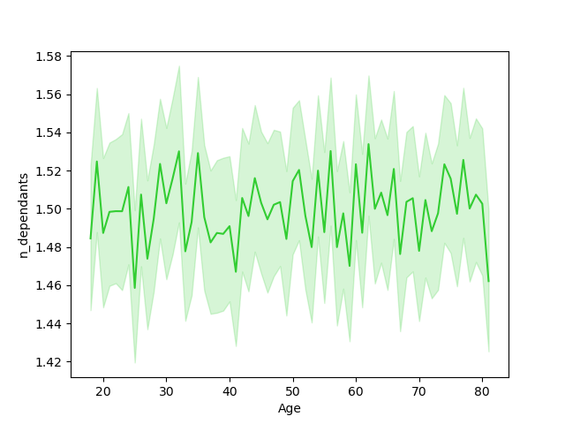
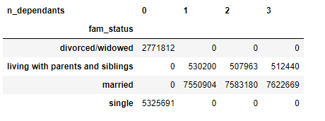
Age and Number of Dependants
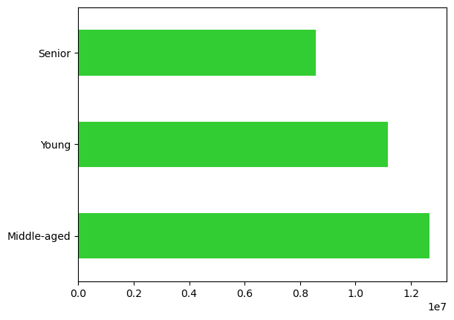

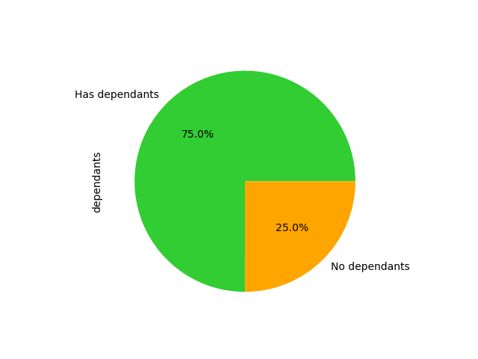

The majority of the customer base is middle-aged by about 20,000 people more than young people. There are the least amount of seniors using the app.
75% of the customer base has dependents.
25% do not have dependents. Those who do not have dependents are single or divorced/widowed.
This line chart does not really indicate that the age and number of dependents are closely related. Other than to note about the age of 25 and 80, there is a bigger drop in dependents

Shopping patterns by Age Groupings and Departments

Based upon age and whether or not customers have dependents, we can see that middle-aged with dependents spend the most in produce.
We can also see that those with dependents spend the most in produce, dairy/eggs, beverages and snacks.
Those without dependents spend about the same on beverage, frozen goods, pantry, and snacks.
Interestingly those without dependents still shop in the baby department. Maybe those are parents to be.
Across all age groups, they spend relatively the same proportion in each department.
Shopping patterns by Dependants and Departments
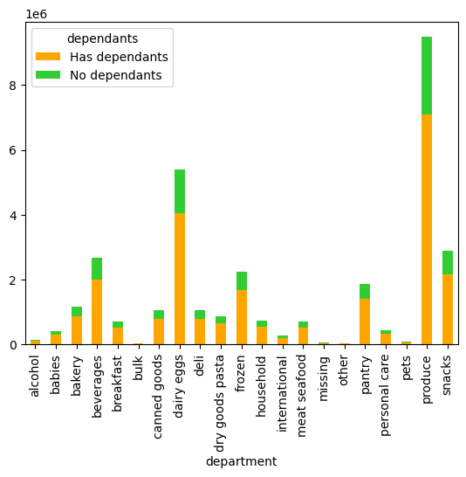

Shopping patterns by Dependants and Region
Shopping patterns by Age Groupings and Region
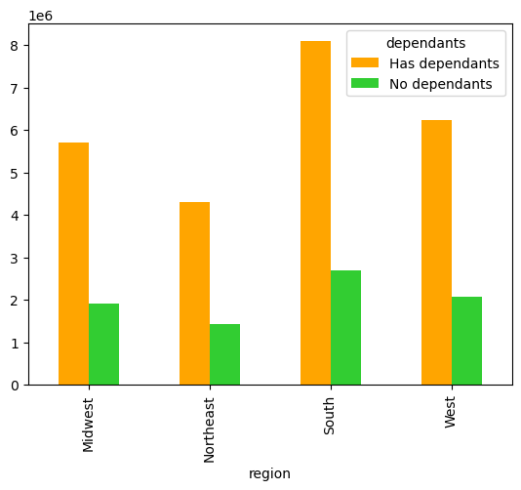
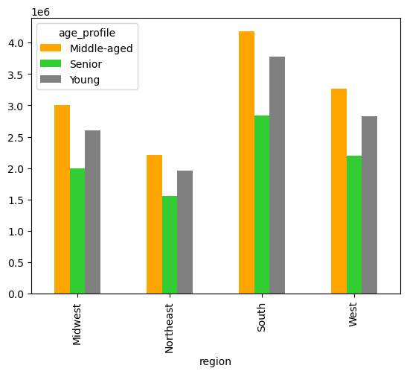

The south seems to have the most middle aged customers and also the most customers with dependents.
The south also has the most senior and young customers and the most customers without dependents.

Age and dependents are about the same in terms or average days since prior order, ordering day of the week, and hour of the day they order.

5e. Difference in demographics - age, income, types of goods, family sates?

Income Grouping Frequency in Customers
Shopping patterns by Income and Region
Income Profile
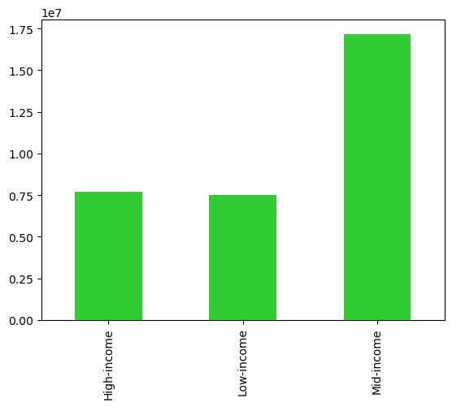
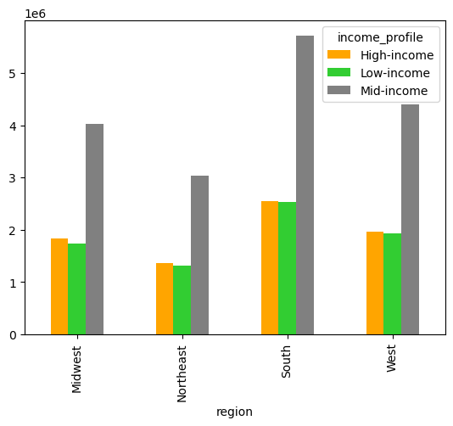

Majority of customers fall into the mid-income range from $65,000 to $130,000. Most of those customers live in the south.
The low and high income customers are about the same amount and they are the least prevalent in the northeast.
Proportionally, the low and high income families are about equivalent to each other across regions.

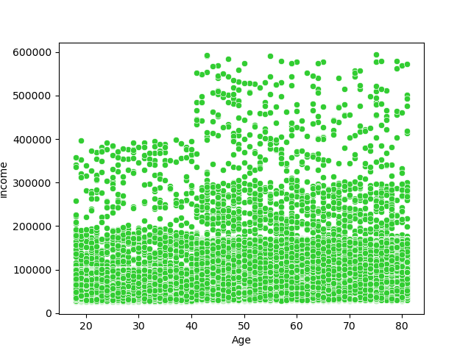
Income by Age

One thing to note is that the majority of income fall below 200k. There could be outliers for the highest bracket of income. When comparing the mean and the standard deviation, this would indicate that there are over 300 outliers for the top incomes. Additionally the highest incomes are in ages over 40. Lastly, after the age of 40, there seems to be a grouping of income between 200k and 300k, this may be a subgroup that could be targeted for marketing.

Pet Profile
Pet Owner Frequency in Customers
Shopping patterns by Pet Owners and Region

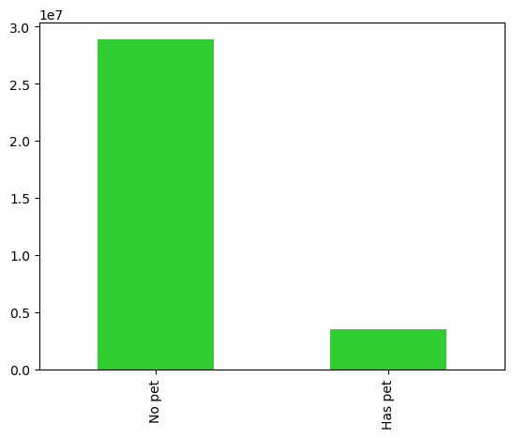
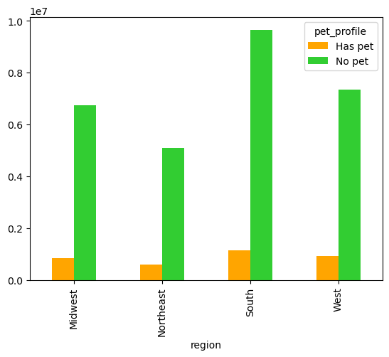

Majority of customers do not have pets.
Customers are about 6.75 times more likely to not have a pet.
Majority of pet owners are in the south but by a small amount. They are fairly well distributed across regions.

Shopping patterns by Diet and Region
Diet Frequency in Customers
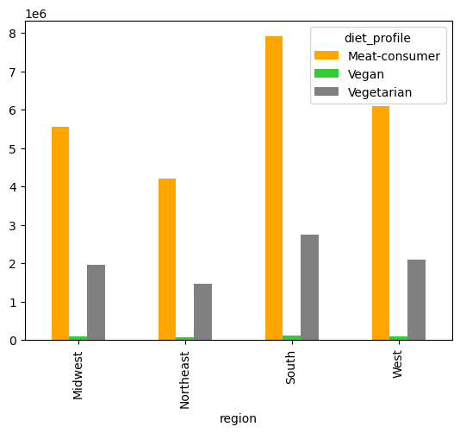
Diet Profile
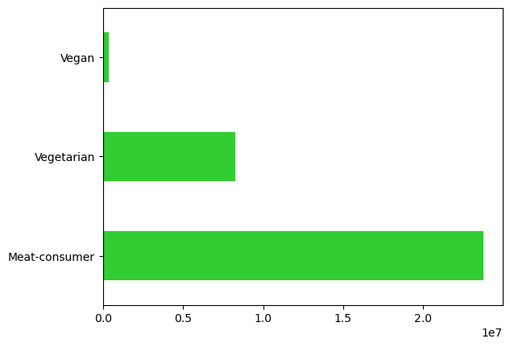

Majority of customers are meat consumers, about 70%.
Customers are about 24 times more likely to be meat consumers than vegan and about 3 times more likely than vegetarians.
Majority of meat-eaters live in the south or the west.
There is about the same amount of vegans across all regions.

7. Recommendations
 | Title page

Recommendations

This tab includes any recommendations made to Instcart in terms of their marketing strategy based on the questions posed in the brief. Every key question has been covered in the Tasks of the Exercises - here you need to add an item - a visualisation or table/crosstable that is showing the answer in the data, acompanied by a comment.

Key Questions:
1. What are the busiest days of the week and the busiest hours of the day?
Order Counts throughout 24 hrs
Orders by Day of Week

We can see that Saturday and Sunday are the busiest days of the week.
The middle of the day from 10am to about 4pm are the busiest hours of the day.
Recommendation: The sales team should schedule adds on Tuesday and Wednesday when there are fewer orders. They could also run early morning or late night adds.

2. Are there particular times of the day when people spend the most money?

Spending within 24hrs

The most amount of money spent in the early morning from 3am to 6am and again at 11pm.
It is the slowest from 9am to 11am.
Recommendation: In their adds from 9am to 11am could target high priced items to increase revenue during that time.

3. Marketing and sales want to use simpler price ranges.
Price Labels and Frequency

The majority of products within Instacart are mid-ranged items between $5 and $15.
Recommendation: The marketing and sales team should make 3 different marketing campaigns based upon the price ranges and focus mostly on mid-range priced products.

4. Are there certain types of products that are more popular than others? Which departments have the highest frequency of product orders?

Frequency of Orders by Department

Produce is the most popular department, followed by dairy/eggs, then snacks and beverages.
Recommendation: Create campaigns that focus on produce for all age ranges and income levels.
Additional popular departments would be dairy/eggs, snacks, and meat/seafood.
To increase revenue in struggling departments, focus on bulk foods, pets, and alcoholic beverages.

5a. What’s the distribution among users in terms of brand loyalty ( frequency in visits)?

Frequency of shoppers by Loyalty Status

Combined, there are more than double regular and new customers than there are loyal customers.
Recommendation: Create incentives for new and regular customers to become loyal customers.

5b. Are there differences in ordering habits based on a customer’s loyalty status?
Frequency of purchases by department and Loyalty Status

From this chart we can see that loyal customers tend to shop in the produce, and the dairy/egg department, along with new and regular customers. It also appears that regular customers shop in the snack, frozen, pantry and beverage departments more than loyal customers
Recommendation:
All customers market produce and dairy/eggs.
Regular customers market beverages and snacks.
New customers market frozen snacks.

5c. Are there differences in ordering habits based on a customer’s region?

Spending Habits by Region and Department
Spending Habits by Region

Amongst the high spenders, there is little change per region. However, with low spenders, there is slightly more volatility.
Proportionally, the regions about the same across departments.
Recommendation:
Target the south for low spenders.
Find alternative factors other than region for ordering habits.

5d. Is there a connection between age and family status in terms of ordering habits?

Age and Number of Dependants

This line chart does not indicate that the age and number of dependents are closely related.

5e. Difference in demographincs - age, income, types of goods, family satus?

Target Audience:
Demographic is young to middle-aged customers, married with dependents who eat meat/seafood and produce, who have an income between $65,000 - $130,000 with no pets.
Recommendations:
- Middle-aged families with dependents purchasing produce, snacks, beverages, dairy, and meats.
- Explore a sub group that is in their 40s who have more spending power and advertise higher valued goods.
- Could advertise to smaller audience groups to increase revenue in low areas such as:
- pet owners
- seniors or younger people with no kids
- vegan and vegetarians
- New customers living in the northwest

Diet Frequency in Customers
Customer Age Count

Income Grouping Frequency in Customers
Income by Age
Pet Owner Frequency in Customers

